Actual Operation Evidence
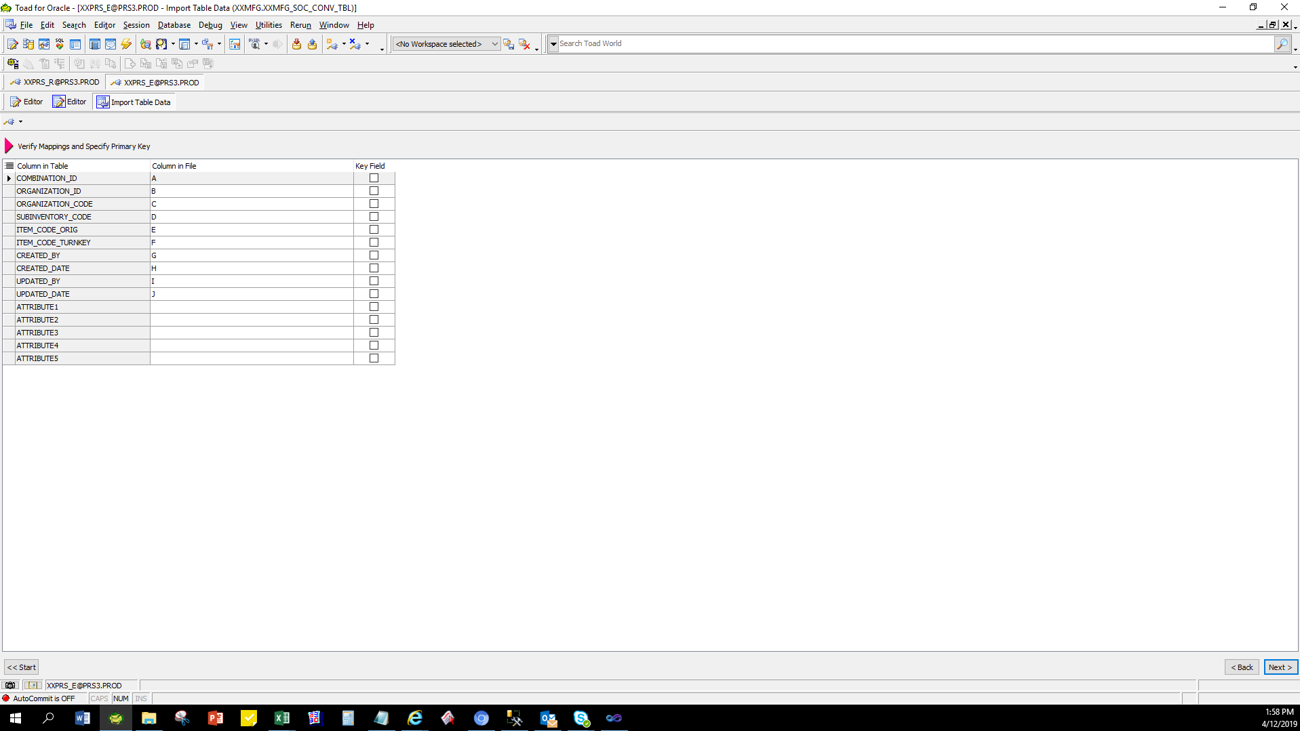
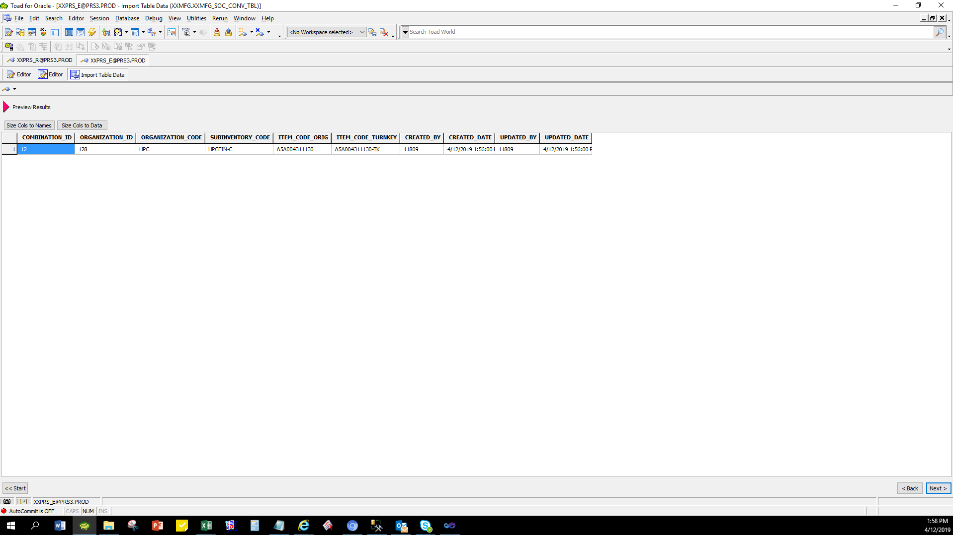
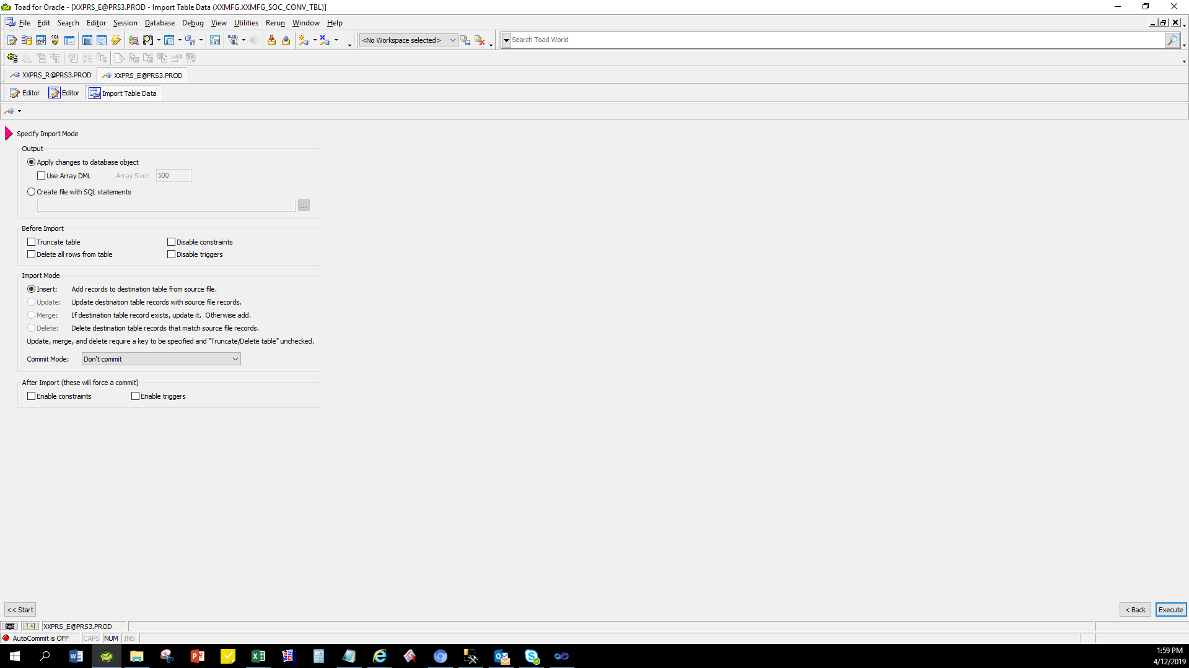
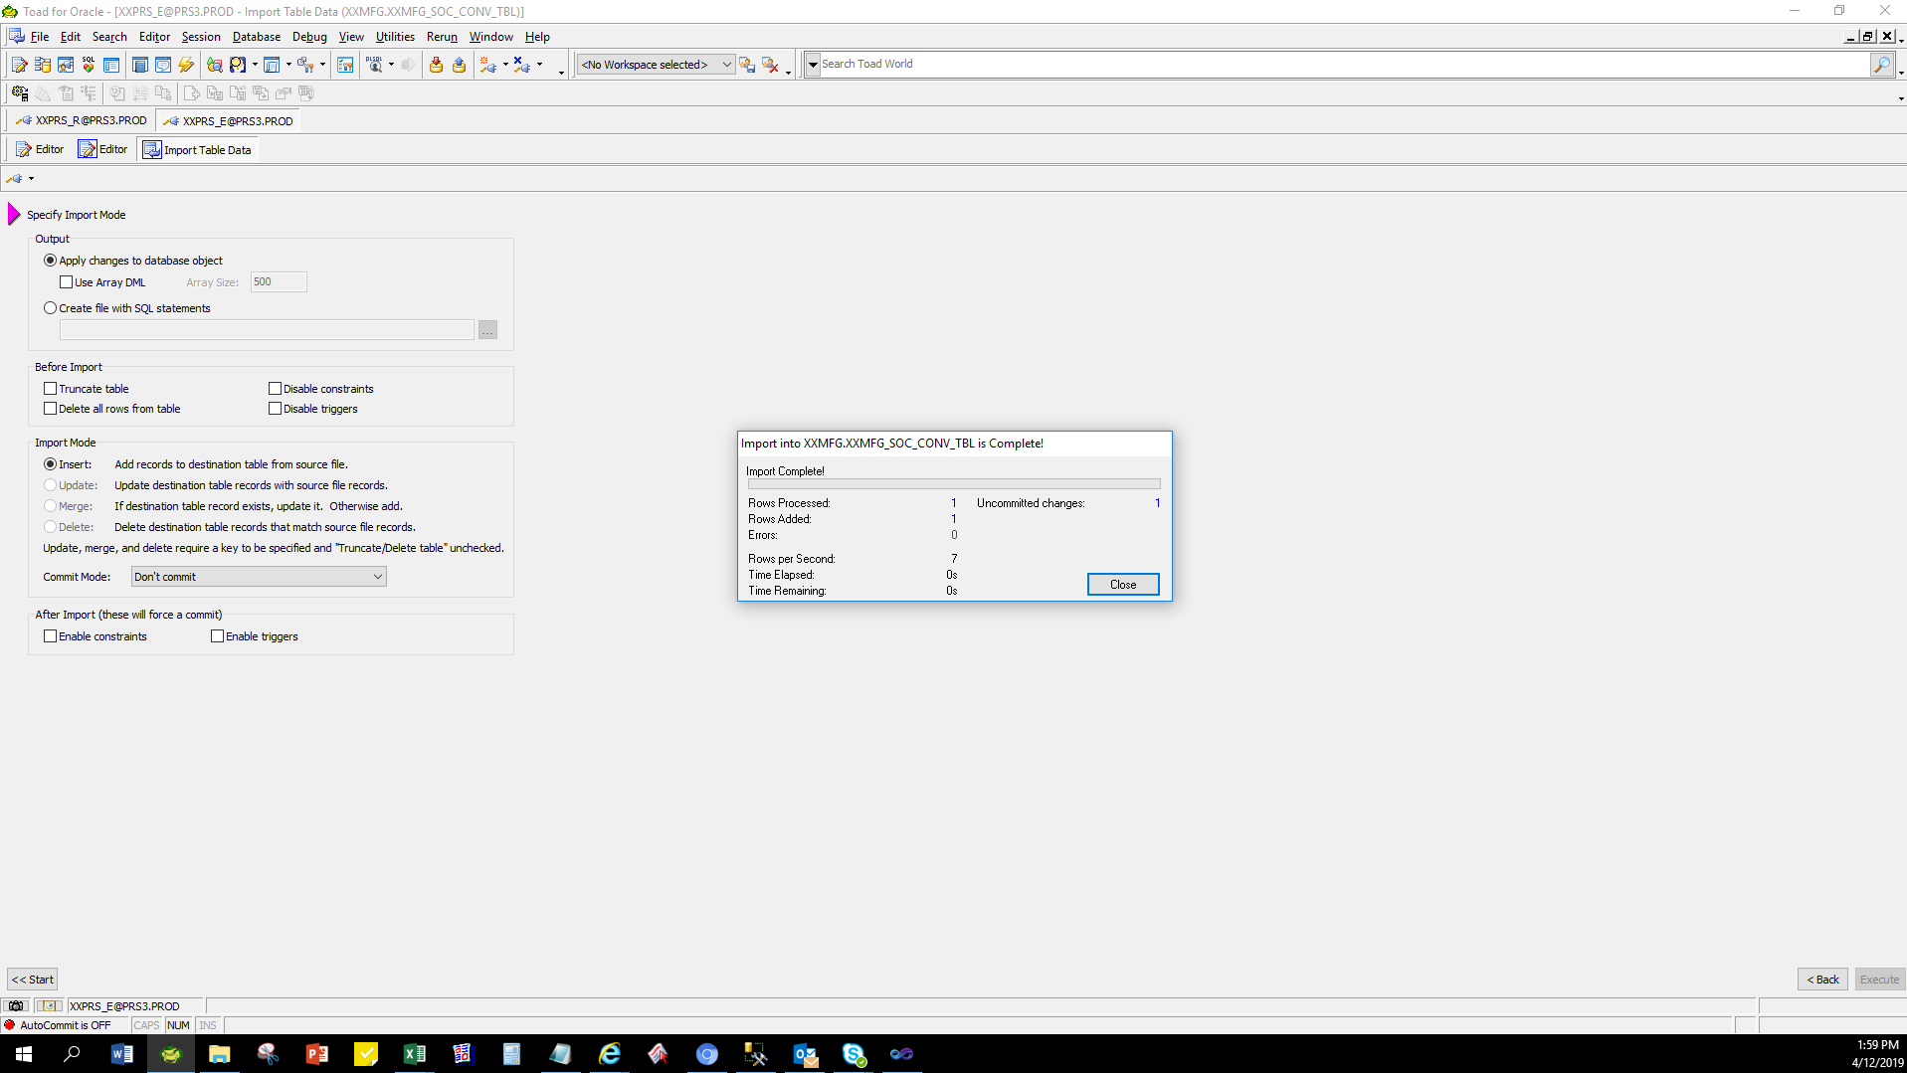
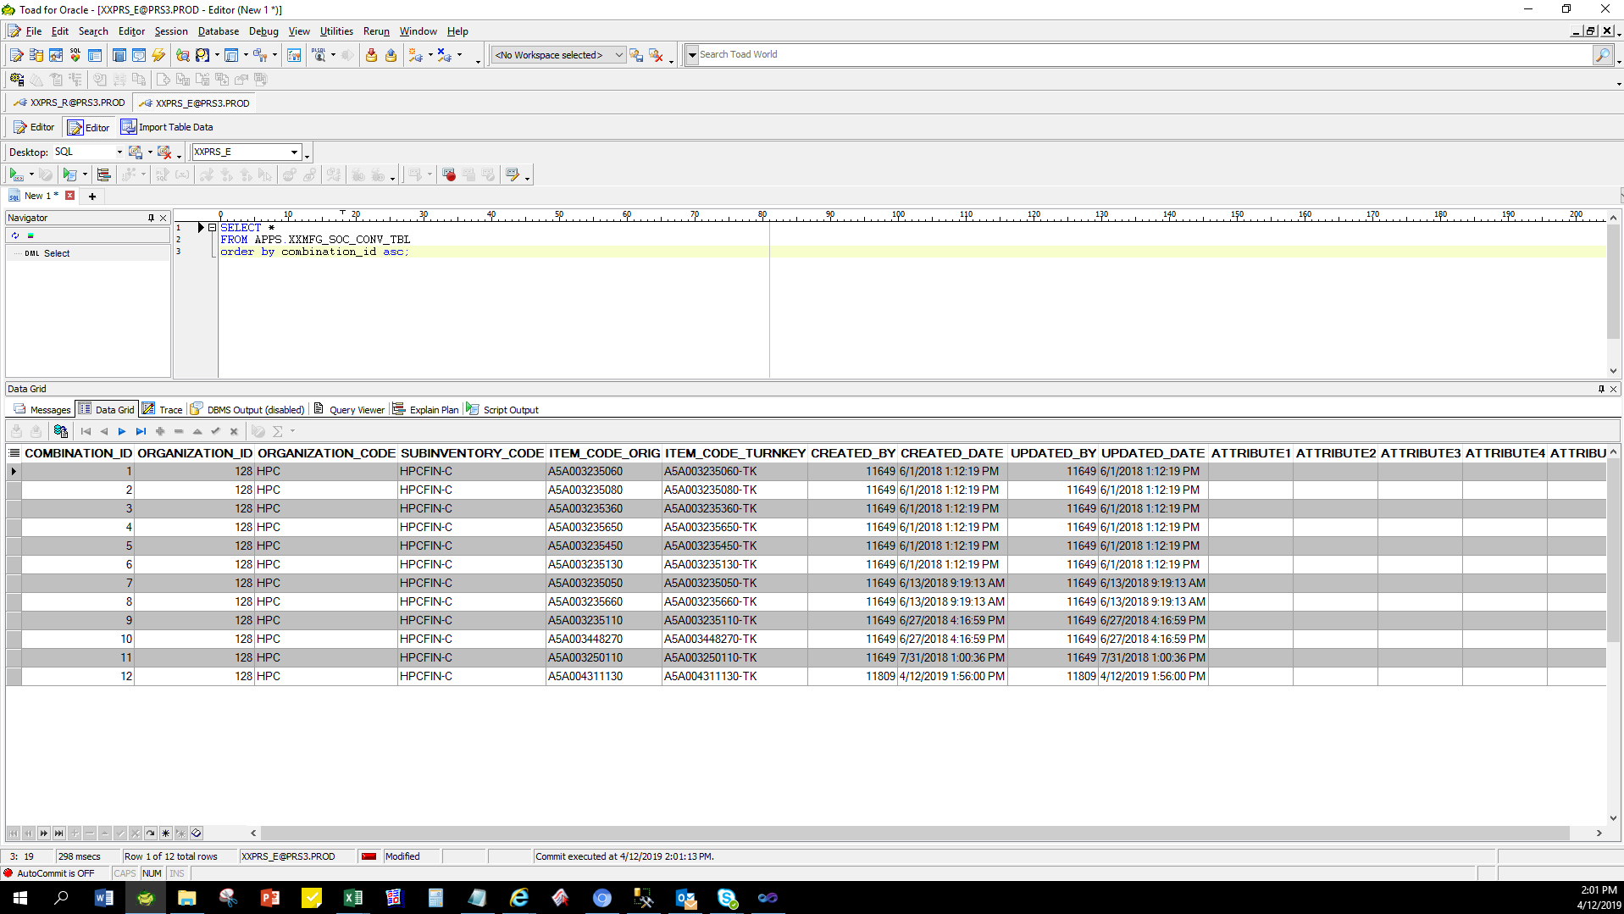
Actual Operation Evidence

 | 1.) Select existing data in XXMFG_SOC_CONV_TBL
 | SELECT *
 | FROM APPS.XXMFG_SOC_CONV_TBL;
 | COMBINATION_ID | ORGANIZATION_ID | ORGANIZATION_CODE | SUBINVENTORY_CODE | ITEM_CODE_ORIG | ITEM_CODE_TURNKEY | CREATED_BY | CREATED_DATE | UPDATED_BY | UPDATED_DATE | ATTRIBUTE1 | ATTRIBUTE2 | ATTRIBUTE3 | ATTRIBUTE4 | ATTRIBUTE5
 | 1 | 128 | HPC | HPCFIN-C | A5A003235060 | A5A003235060-TK | 11649 | 6/1/18 | 11649 | 6/1/18
 | 2 | 128 | HPC | HPCFIN-C | A5A003235080 | A5A003235080-TK | 11649 | 6/1/18 | 11649 | 6/1/18
 | 3 | 128 | HPC | HPCFIN-C | A5A003235360 | A5A003235360-TK | 11649 | 6/1/18 | 11649 | 6/1/18
 | 4 | 128 | HPC | HPCFIN-C | A5A003235650 | A5A003235650-TK | 11649 | 6/1/18 | 11649 | 6/1/18
 | 5 | 128 | HPC | HPCFIN-C | A5A003235450 | A5A003235450-TK | 11649 | 6/1/18 | 11649 | 6/1/18
 | 6 | 128 | HPC | HPCFIN-C | A5A003235130 | A5A003235130-TK | 11649 | 6/1/18 | 11649 | 6/1/18
 | 7 | 128 | HPC | HPCFIN-C | A5A003235050 | A5A003235050-TK | 11649 | 6/13/2018 9:19:13 AM | 11649 | 6/13/2018 9:19:13 AM
 | 8 | 128 | HPC | HPCFIN-C | A5A003235660 | A5A003235660-TK | 11649 | 6/13/2018 9:19:13 AM | 11649 | 6/13/2018 9:19:13 AM
 | 9 | 128 | HPC | HPCFIN-C | A5A003235110 | A5A003235110-TK | 11649 | 6/27/18 | 11649 | 6/27/18
 | 10 | 128 | HPC | HPCFIN-C | A5A003448270 | A5A003448270-TK | 11649 | 06/27/2018 | 11649 | 06/27/2018
 | 11 | 128 | HPC | HPCFIN-C | A5A003250110 | A5A003250110-TK | 11649 | 07/31/2018 | 11649 | 07/31/2018

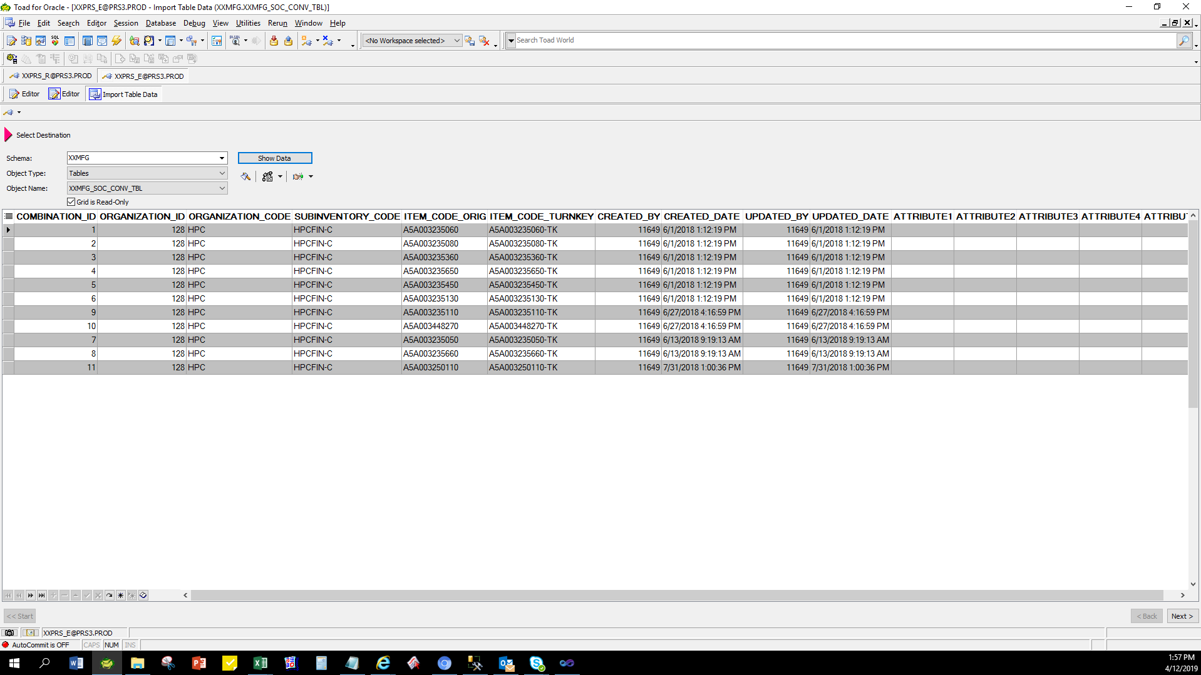

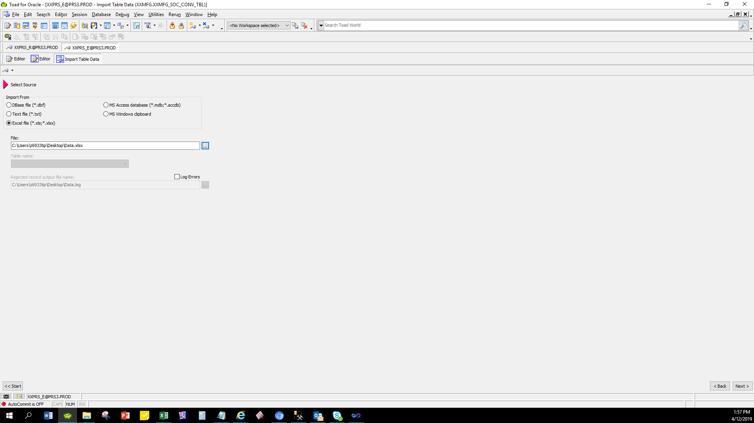

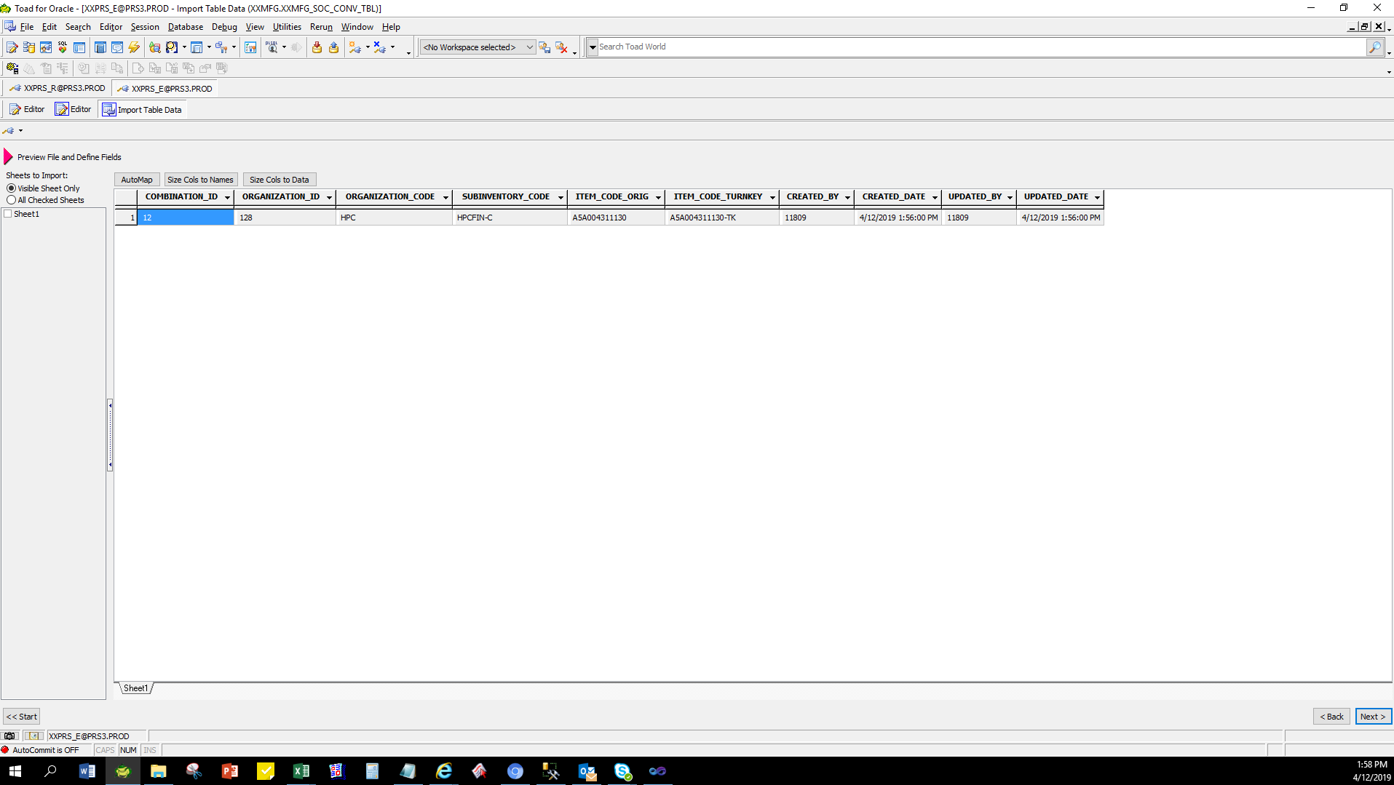

 | 3.) Check data if interfaced in XXMFG_SOC_CONV_TBL
 | COMBINATION_ID | ORGANIZATION_ID | ORGANIZATION_CODE | SUBINVENTORY_CODE | ITEM_CODE_ORIG | ITEM_CODE_TURNKEY | CREATED_BY | CREATED_DATE | UPDATED_BY | UPDATED_DATE | ATTRIBUTE1 | ATTRIBUTE2 | ATTRIBUTE3 | ATTRIBUTE4 | ATTRIBUTE5

Helpdesk Request
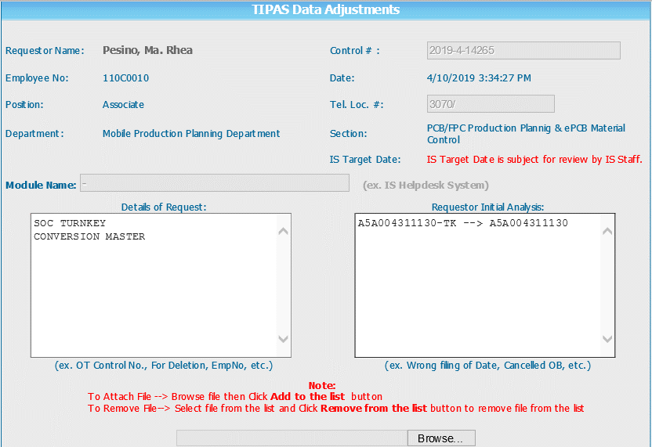
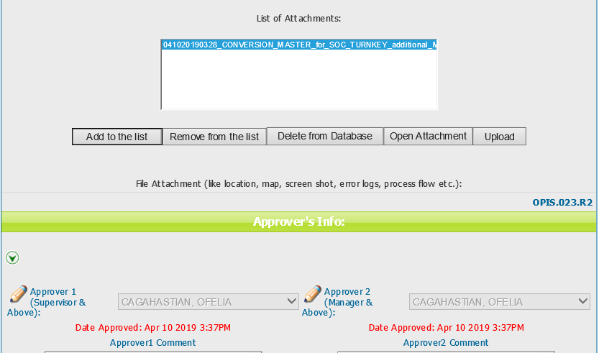
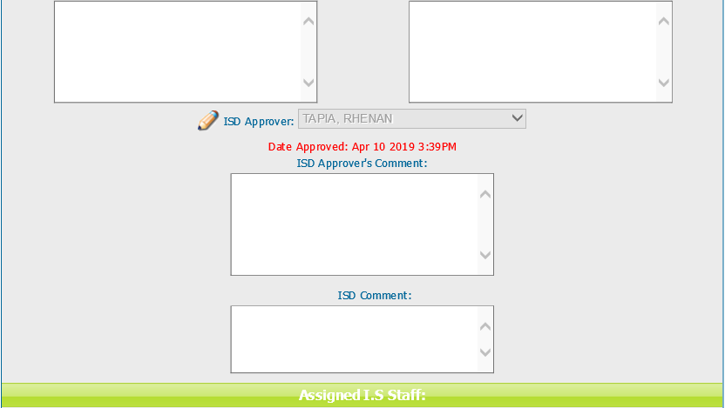
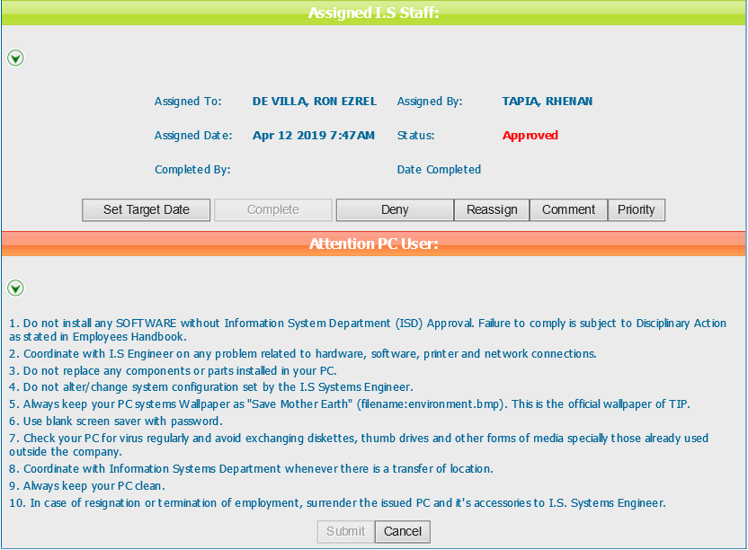
Helpdesk Request

